Farmer IS
SMALL FARMER AMARANTH INCOME STATEMENT
 |  |  |  |  |  |  | 1 cuerda | 1 ha
Per year | Worst Case | Typical | Best Case |  |  |  |  | 441 | 10000
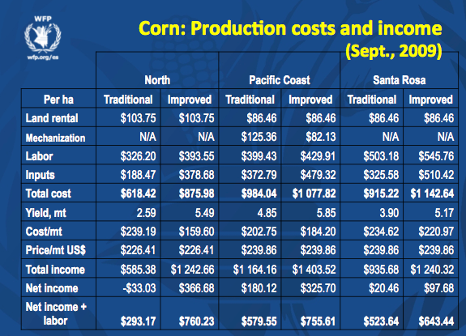
INCOME |  |  |  |  |  |  |  | 1 ha = xxx cuerda | 22.68
Sale Price (GTQ/qq) | 800 | 1000 | 1200
Yield (qq/cuerda) | 1.25 | 1.5 | 2
Amt. Cultivated (cuerdas) | 1 | 1 | 1
% Consumed | 60% | 60% | 60%
Total Income | 400GTQ | 600GTQ | 960GTQ

EXPENSES |  |  |  |  |  | $ | GTQ
Seed | 100GTQ | 62GTQ | 24GTQ |  | Land | 90 | 12
Fertilizer | 250GTQ | 50GTQ | - GTQ |  | Labor | 400 | 53
Irrigation | 16GTQ |  |  |  | Inputs | 400 | 53
 |  |  |  |  | Total Costs | 890 | 117
Total Expenses | 366GTQ | 112GTQ | 24GTQ |  | Yield | 4
 |  |  |  |  | Cost
PROFIT | 34GTQ | 488GTQ | 936GTQ |  | Price
PROFIT MARGIN | 9% | 81% | 98% |  | Income

 | AMARANTH | CORN
INCOME
Sale Price (GTQ/qq) | 1000 | 150
Yield (qq/cuerda) | 1.5 | 3 |  | 50 | 33.333333333
Amt. Cultivated (cuerdas) | 1 | 1 |  | 200 | 133.33333333
% Consumed | 60% | 60%
Total Income | 600GTQ | 180GTQ

 | 3.33

